door hanger
Troop 93 Holiday Sales- Product List | Troop 93 Holiday Sales- Product List | Troop 93 Holiday Sales- Product List
Hello, my name is ____________________ __________________________________________. I am a Boy Scout with Troop 93 in Brentwood. We are having our Annual Holiday Sales. All proceeds go to support Troop activites to include camp outs, white water rafting, merit badge classes and summer camps. Would you be willing to support me and our Scouts with a purchase? You can reach me at _________________________________________. | Hello, my name is ____________________ __________________________________________. I am a Boy Scout with Troop 93 in Brentwood. We are having our Annual Holiday Sales. All proceeds go to support Troop activites to include camp outs, white water rafting, merit badge classes and summer camps. Would you be willing to support me and our Scouts with a purchase? You can reach me at _________________________________________. | Hello, my name is ____________________ __________________________________________. I am a Boy Scout with Troop 93 in Brentwood. We are having our Annual Holiday Sales. All proceeds go to support Troop activites to include camp outs, white water rafting, merit badge classes and summer camps. Would you be willing to support me and our Scouts with a purchase? You can reach me at _________________________________________.

Christmas Trees-All trees are Fraiser Firs and are brought in fresh from Norht Carolina. Trees come in 4 heights 6 foot-7 foot ($90), 7 foot-8 foot ($100), 8 foot -9 foot ($115), 9-1- foot ($135) . Complimentary deliver and set up by our dedicated Scouts | Christmas Trees-All trees are Fraiser Firs and are brought in fresh from Norht Carolina. Trees come in 4 heights 6 foot-7 foot ($90), 7 foot-8 foot ($100), 8 foot -9 foot ($115), 9-1- foot ($135) . Complimentary deliver and set up by our dedicated Scouts | Christmas Trees-All trees are Fraiser Firs and are brought in fresh from Norht Carolina. Trees come in 4 heights 6 foot-7 foot ($90), 7 foot-8 foot ($100), 8 foot -9 foot ($115), 9-1- foot ($135) . Complimentary deliver and set up by our dedicated Scouts

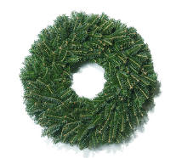
Wreaths- Wreaths are between 24-28 inches wide. $40.00 buys ONE wreath | Wreaths- Wreaths are between 24-28 inches wide. $40.00 buys ONE wreath | Wreaths- Wreaths are between 24-28 inches wide. $40.00 buys ONE wreath

Gift Of Plants- These are sourced from a local small business who's son is a former Troop 93 member. | Gift Of Plants- These are sourced from a local small business who's son is a former Troop 93 member. | Gift Of Plants- These are sourced from a local small business who's son is a former Troop 93 member.
Mini-Poinsettias in Red ceramic "Ornaments"- & Mini-Plants "Snowman". These are approximately 3 inches high in reusable ceramic pots . Each "Ornament" comes with a poinsettia. Each "Snowman" with a small plant. Reusable year after year. $10.00 each (pot + plant) | Mini-Poinsettias in Red ceramic "Ornaments"- & Mini-Plants "Snowman". These are approximately 3 inches high in reusable ceramic pots . Each "Ornament" comes with a poinsettia. Each "Snowman" with a small plant. Reusable year after year. $10.00 each (pot + plant) | Mini-Poinsettias in Red ceramic "Ornaments"- & Mini-Plants "Snowman". These are approximately 3 inches high in reusable ceramic pots . Each "Ornament" comes with a poinsettia. Each "Snowman" with a small plant. Reusable year after year. $10.00 each (pot + plant)

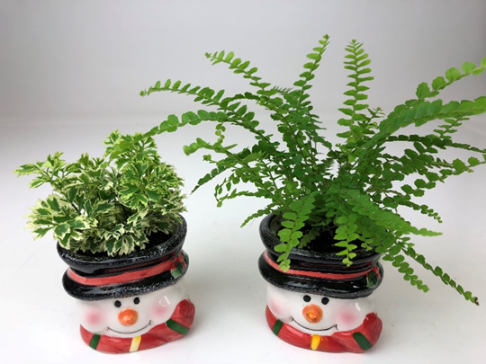

Replacement Poinsettia- These are mini-poinsettias that fit in the ceramic ornaments. They come in a small plastic pot and are about 3 inches tall. $5.00 each | Replacement Poinsettia- These are mini-poinsettias that fit in the ceramic ornaments. They come in a small plastic pot and are about 3 inches tall. $5.00 each | Replacement Poinsettia- These are mini-poinsettias that fit in the ceramic ornaments. They come in a small plastic pot and are about 3 inches tall. $5.00 each



Poinsettia Gift Basket- Lovely baskets about 8" in diameter with a small poinsettia and other plants and foliage similar to the picture. $40.00 each | Poinsettia Gift Basket- Lovely baskets about 8" in diameter with a small poinsettia and other plants and foliage similar to the picture. $40.00 each | Poinsettia Gift Basket- Lovely baskets about 8" in diameter with a small poinsettia and other plants and foliage similar to the picture. $40.00 each
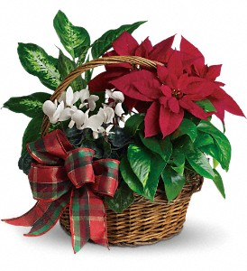

Cash, Checks (made out to Troop 9)3 or Zelle Payments (Troop93@comcast.net) Questions? Email- Troop93fundraising@gmail.com or text Mrs. Von Weisenstein at (703) 867-2507 | Cash, Checks (made out to Troop 9)3 or Zelle Payments (Troop93@comcast.net) Questions? Email- Troop93fundraising@gmail.com or text Mrs. Von Weisenstein at (703) 867-2507 | Cash, Checks (made out to Troop 9)3 or Zelle Payments (Troop93@comcast.net) Questions? Email- Troop93fundraising@gmail.com or text Mrs. Von Weisenstein at (703) 867-2507

Large Pictures of Poinsettas


NEW! Mini Plant Snowmen head vases with plants
$10.00

Mini Poinsettia Ornament (3 inch) $10.00

Replacement Mini Poinsettia for Ornament (3 inch) $5.00

Poinsettia Gift basket
(8 inch)
$40.00
Foilage, baskets and plants will be SIMILAR to shown

